Mobile Clinics
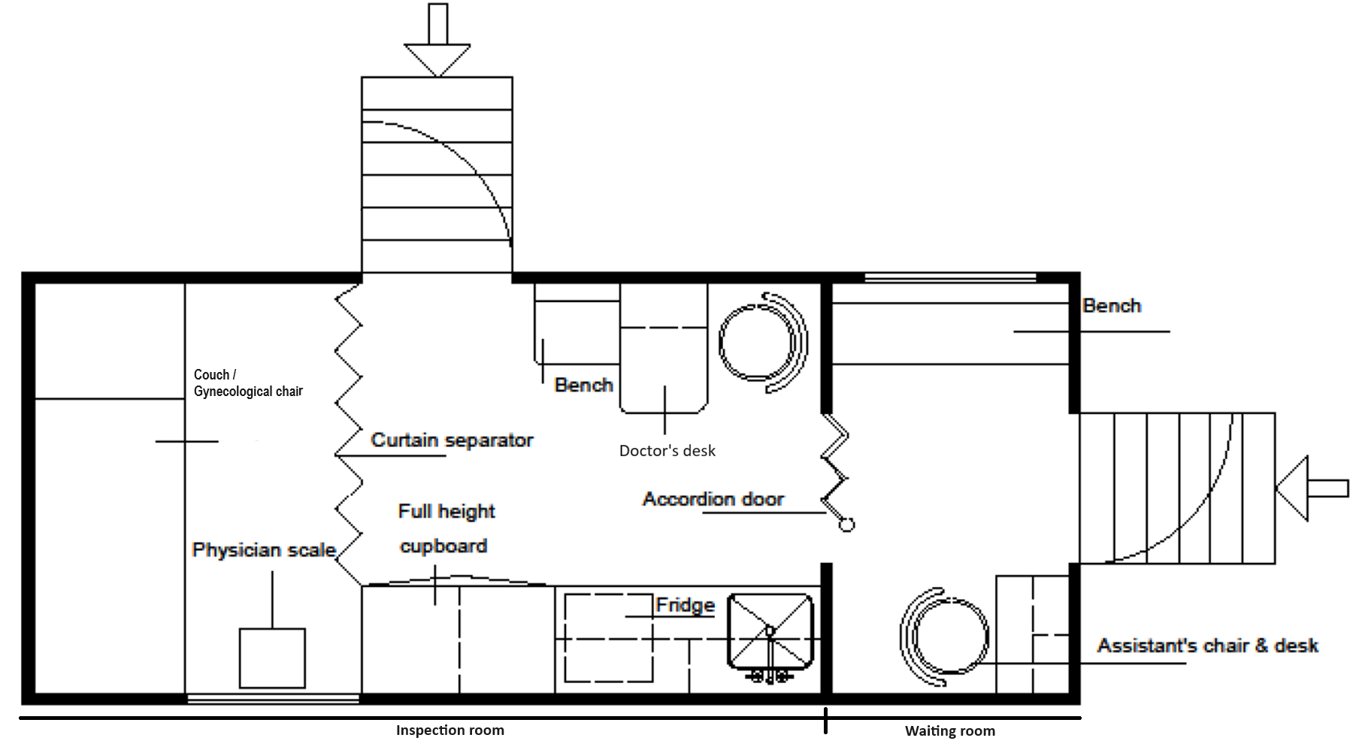
LITB-2023-9187592, Annex B Technical specifications and price schedule for the equipment
Specifications |  | Quantity | Unit price, USD VAT exclusive | Confirmation of the required specifications Yes/State otherwise
Type of vehicle | A box body type clinic built on a cab chassis Acceptable vehicle brands: Any brand that can be serviced at an authorized service/dealership in Moldova. The offered vehicles must be equipped with standardized engines/transmissions serviceable in the European/East European markets. Please send each brand in different excel sheets to avoid confusion, if you wish to submit more than one offer. | 2 |  | ***
Country of Origin | Please specify |  |  | ***
Model year | 2022, 2023 |  |  | ***
Drive mode | 4 x 2. Ground clearance at least 185 mm |  |  | ***
Steering | Power assisted steering. Telescopic and tilt steering column with lock device, recirculation ball integral type |  |  | ***
Fuel Type | Diesel engine, 4-cylinder in-line, turbo- intercooled |  |  | ***
Fuel injection | Common rail fuel injection system |  |  | ***
Driving side | Left Hand Drive |  |  | ***
Transmission | Manual, 5+1 speeds, with overdrive, synchromesh 1st to 5th |  |  | ***
Brake - Front/Rear | Front: Drum Brake Rear: Drum Brake |  |  | ***
Suspension - Front/Rear | Front: Semi elliptic leaf springs with double acting shock absorbers or better Rear: Semi elliptic main & auxiliary leaf springs with double acting shock absorbers or better |  |  | ***
Fuel tank | minimum 100 liters |  |  | ***
Engine | Capacity: at least 3700 cc, EURO 3 Power / Torque: at least 140 PS / 400 Nm |  |  | ***
Inside Medical unit | minimum 4m x 2.2m x 2 m |  |  | ***
Tools and spare parts | Spare parts for the vehicle to be supplied with the refrigerated vehicle to be supplied for minimum 3 years or 100.000km acording to warranty. Spare parts should be available for at least 10 years from receipt of the vehicle.
Other | Power lock & Power Window; Vehicle color: White For ambient use temperatures of +40°C & -20 °C |  |  | ***
Driver's cabin | 1.2.1 Double cabin that can accommodate 5 passengers + 1 driver |  |  | ***
 | 1.2.2 Air conditioner for the front row of seats and back row of the seats |  |  | ***
 | 1.2.3 Sun visor for driver and co-driver |  |  | ***
 | 1.2.4 Entrance handles for the driver and passengers |  |  | ***
 | 1.2.5 3-point seatbelt and head rests for all seats |  |  | ***
 | 1.2.5 Front airbags to be fitted to both driver and passenger sides. |  |  | ***
Price for the delivery (Plese mention both) | DAP Chisinau, Republic of Moldova (no later than 60 calendar days) | 1 |  | ***
 | FCA nearest port (no later than 30 calendar days) | 1 |  | ***

2. CONVERSION SPECIFICATIONS |  | Confirmation of the required specifications Yes / State otherwise
2.1 Clinics Cabin
2.1.1 Construction of the clinics cabinet: - The cabinets base; to be constructed of a “U” section steel beam (8 mm thick) intersected with an “I” section steel beam (4mm thick) and fortified with steel corners (4 mm thick), this steel base covered with a layer of steel sheets (2 mm thick) and above that, is a layer of wood panels (12 mm thick) - The cabinet sides and roof; constructed of “H” section steel channel, in which the sandwich panels to be fixed. These sandwich panels should have the following specifications: o Outside 0.50 mm pre-painted steel Ral 9002 o Inside 0.50 mm pre-painted steel Ral 9002 o In-between 50 mm polyurethane 38 – 40kg/m3. Insulation Layer (High/ low Temp insulation of the roof and side walls) - The clinic cabin should be split into (1/3) waiting room and (2/3) inspection room with an accordion door in between. |  | ***
2.1.2 Floor in clinics cabinet: - The floor to be covered with a sheet that is anti-slippery, antistatic, anti-bacterial, washable and waterproof. |  | ***
2.1.3 Waiting room: - For the nurse: A desk should have at least 3 drawers, and a rotating chair with a back and 2 arm rests. A small top cabin for storage. Add a ribbon for fixing chair to prevent slippery during movement. - Squad bench with a minimum capacity of 3 persons (as a waiting room) in front of the nurse desk, with 3 retractable seat belts. - Window covered with fogy or frosted foil with roll down curtain. |  | ***
2.1.4 Inspection room: |  | ***
a. For the doctor: - For the doctor: The desk should be well supported and with no drawers to allow free seating. The Chair should be with a back and 2 arm rests. - A patient chair to be set in front of the Doctor’s desk with back to the side wall and set on a box with 3 drawers. - Add a ribbon for fixing the doctor’s chair to prevent slippery during movement |  | ***
b. Medical cabinet to be designed and executed to store and mount the stated equipment and tools, equipped with shelves and drawers. |  | ***
c. Gynecological electrical (not hydraulic ) adjustable examination chair which can be transformed into couch. With a curtain and a ribbon to fix the curtain while on the move. |  | ***
d. Water supply: - Washing basin with electrical water tap - Two water tanks which are thermally isolated to prevent freezing are settled outside the cabin: one for fresh water and one for waste water, 50 liters each and a hose (5 meters) for filling fresh water. |  | ***
e. - Two trash bins: one for biohazard waste and another for other waste. - Storage compartments, with sliding transparent doors. |  | ***
f. Stationary heater |  | ***
g. Air conditioning for the inspection room with an wall mounted controller – to operate through the generator on vehicle idle state). The AC should reach the waiting room/nurse area. |  | ***
h. Roof ventilator |  | ***
i. Windows foil: Windows in patient’s compartment covered in a fogy or frosted foil. |  | ***
j. Rear Door with lockable sliding window. Foldable staircases and Grip Rod to support patients while using the stairs |  | ***
k. Right side door with lockable sliding window. Foldable staircases and a Grip Rod to support patients while using the stairs |  | ***
l. All equipment compartments to be washable |  | ***
m. High quality finishing without any sharp edges |  | ***
n. 2 Fire extinguishers 2 kg each, Dry powder |  | ***
2.2 ELECTRICALS: |  | ***
2.2.1 Control panel inside inspection room to ease access to the operating switches for lighting, air-conditioning and heating and ventilator fan. |  | ***
2.2.2 Two inverters 220VAC-12VDC and 12VDC-220VAC with electric outlets 220VAC Quantities: Two of 4VDC and 12VDC, this inverter can supply a power of 2000W and having enough capacity to operate all medical facilities simultaneously. |  | ***
2.2.3.LED internal lightening to cover all ceiling cabinets for night and day operations |  | ***
2.2.4 Spot light above gynecological patient examination chair/ bed |  | ***
2.2.5 Outer spotlight: - 2 rear working spotlight mounted at the rear at both sides Right and left of the vehicle. - 1 spotlight mounted by the side of the vehicle to light the outside waiting area |  | ***
2.2.6 Extra battery for the medical equipment and roof air conditioner. |  | ***
2.2.7 Battery charger (220v – 12v) (350w) |  | ***
2.2.8 Intercom between clinic cabinet and the driver cabinet |  | ***
2.2.9 Digital watch |  | ***
2.2.10 Alarm: 100w capacity for the public address system with different tone sirens |  | ***
2.2.11 One 5 KVA electrical generator (diesel engine) 380/220V with inverter and junction box, electrical power sockets and all the necessary wiring |  | ***
2.2.12 Electrical wire (25 meters) for external connection of 220v including electrical socket located outside of the rear compartment. |  | ***
2.2.13 Rolling electrical umbrella, on one side (L: 3 m) can be operated by a remote control |  | ***
2.2.14 Laboratory Refrigerator - volume of 50 L |  | ***
3- MEDICAL EQUIPMENT, CE marked (compliance with the EU Medical Devices Regulation (MDR 2017/745)
3.1 OTHER MEDICAL EQUIPMENT: |  | ***
3.1.1 Gynecological electrical (not hydraulic ) adjustable examination chair which can be transformed into couch |  | ***
3.1.2 Examination Lamp suitable for gynecological examinations |  | ***
3.1.3 Portable AC/DC suction pump, 230 -240v, Capacity: 18L/min (Mention: CE Certification, Brand, Country of origin) |  | ***
3.1.4 Pulse Oximeter (Mention: CE Certification, Brand, Country of origin) |  | ***
3.1.5 Wall mounted Aneroid Sphygmomanometer, fitted with adult cuff (Mention: CE Certification, Brand, Country of origin) |  | ***
3.1.6 Two Standard adult Stethoscope (Mention: CE Certified, Brand, Country of origin): - one nurse type; - one physician type. |  | ***
3.1.7 Diagnostic set for eye, ear and mouth (Mention: CE Certification, Brand, Country of origin) |  | ***
3.1.8 First Aid box for 25 persons |  | ***
3.1.9 Foldable stretcher (Mention: CE Certification, Brand, Country of origin) |  | ***
3.2.10 Blood Glucometer machine with one box of testing stripes (Mention: CE Certification, Brand, Country of origin) |  | ***
3.2.11 Eye level physician scale with height rod |  | ***
3.2.12 Two Blankets |  | ***
3.2.13 Disinfectant dispenser 1l with 2 additional disinfectant sacks |  | ***
3.2.14 Glove dispenser |  | ***
3.2.15 Nebulizer (Mention: CE Certification, Brand, Country of origin) |  | ***
3.2.17 Portable Suction pump |  | ***
3.2.18 Emergency resuscitation kit, 50 normal deliveries with the below specifications: Dimentions: (L:400mm, W:200, H:200) With external pockets, Nonslip, removable and adjustable shoulder strap, Supplied with: Airway kit (Q:1) a. Manual resuscitator (Q:1 for adult and 1 for child size) b. Laryngoscope kit (Q: 1) with 5 sets of blades and complete set includes batteries c. Air way kit (different sizes) (Q:1) d. Upper Arm automatic digital sphygmomanometer (Q:1) e. Ice packs (Q:5) f. Gauze pads with various sizes (10 cmx10cm), (7.5x7.5), (5x5) - (Q:1 pack each) g. Light pen with changeable (AAA) Battery (Q:1) h. Triangular bandages (Q:10) i. Gauze bandages with various size: 4mx 4cm, 4mx6cm, 4mx10cm - (Q: 1 dozen each) j. Medical shear (Q: 2) k. Artery forceps (Q:2) l. Medical plaster (Q:5) m. Surgical disposal face mask (Q:10) n. Eye pad (Q: 10) o. Scissors (Q:1) p. Manual suction pump (Q:1) |  | ***
3.2.22 Disposable Syringe x 3cc (Qty 1 pack of 100) |  | ***
3.2.23 Disposable Syringe x 5cc (Qty 1 pack of 100) |  | ***
3.2.24 Disposable Syringe x 10cc (Qty 1 pack of 100) |  | ***
3.2.25 Minor surgery tool kit (19 pieces): Minor surgery tool kit (19 pieces): 1 Piece Scalpel Handle #3 with 1 pack of Scalpel Blade # 11 1 Piece Scalpel Handle # 4 with 1 pack of Scalpel Blade #22 1 Piece Kelly Forceps 5.5” Straight 1 Piece Kelly Forceps 5.5 “ Curved 1 Piece Butterfly Probe Grooved 1 Piece Probe with Eye 6” 1 Piece Mosquito Forceps 5” Straight 1 Piece Mosquito Forceps 5” Curved 1 Piece Mosquito Forceps 3.5” Straight 1 Piece Webster Needle Holder 5” 1 Piece Thumb Dressing Forceps 5” 1 Piece Thumb Dressing Forceps 1x2 5” 1 Piece Mayo Scissors 5.5’ Straight 1 Piece Iris Scissors 4.5” Straight 1 Piece Lister Bandage Scissors 5.5” Gold Plated 1 Piece Adson Tissue Forceps 1x2 1 Piece stainless steel Kidney dish. |  | ***
Exclusion criteria |  | Yes/ No
Above technical sheet fully completed and supported with technical details of the items included and photos |  | ***
Offer states the requested car matches the requested model and year specifications |  | ***
Delivery: 4 weeks |  | ***
Offer submitted by the same company producing the mobile clinics' modification |  | ***
The supplier holds a minimum of 2 year experience with producing similar products |  | ***
All equipment included in the Mobile Clinics are CE certified Please ensure sending certification documents. |  | ***

Payment term 10 Days 3.0%______15 Days 2.5%______20 Days 2.0%_______30 Days Net Please confirm or specify otherwise |  | ***
Validity of offer At least 120 days |  | ***
Warranty (at least 3 years or 100,000km) Please provide the detailed describe the standard operating procedure for covering the warranty cases Spare parts for the vehicle to be supplied with the vehicle to be supplied for minimum 3 years or 100.000km according to warranty. Spare parts should be available for at least 10 years from receipt of the vehicle. |  | ***
Curb weight and dimensions (LxWxH) of one mobile clinic
Supplier Site (Company physical address) |  | ***

Recommended/Suggested arrangement

