SCHEDULE NO 1 AT_M
 | AT | Number | Description/Specification | Generic picture
 | Blind
1 | Laptop with bag and mouse | 20 | CPU: 64-bit; Min 2 Core 2.3GHz 4 threads; generation 2020 and later Screen: Diag. 15”-15.6”, resolution min Full HD, Anti-glare RAM: Min. 8GB DDR4 Min 256GB SSD Multimedia: Built-in speakers, webcam and microphone Bluetooth: Min. 4.2 Wireless Network: 802.11 ac, a/b/g/n/ Ports: Min. 3 USB ports (min. 1 USB port 3.x, min 1 x USB-C); HDMI; RJ-45; Memory Card-reader Weight: Max. 2.5kg OS (installed): Windows 10 (Home or Pro) installed and activated Bag: Generic laptop bag 15”-15.6” Mouse: Generic Wireless mouse Warranty and service: Min. 2-years. Year of production: 2022 or later | 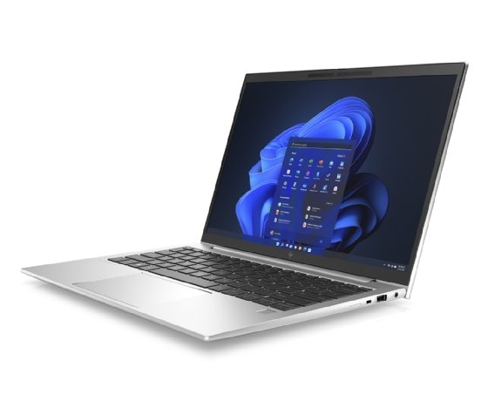
2 | Brand-specific screen reading software JAWS (Job Access With Speech) | 20 | Brand-specific JAWS screen reading software, non-commercial edition, one year subscription, for Windows OS | 
3 | Braille Writing Slate with Stylus, Braille Aids Writing Tool Braille Board | 20 | The Braille writing slate with a stylus is a device that allows blind individuals who do not have access to Braille typewriters or other specialized tools to record information. Writing on the slate differs from writing Braille on a typewriter. Braille characters are recorded starting from the right and moving towards the left of the line. Writing Braille on the slate involves imprinting the Braille characters with the stylus, with their image being mirrored. Required model: A4-sized slate with 27 lines 30 Braille cells each, stylus included | 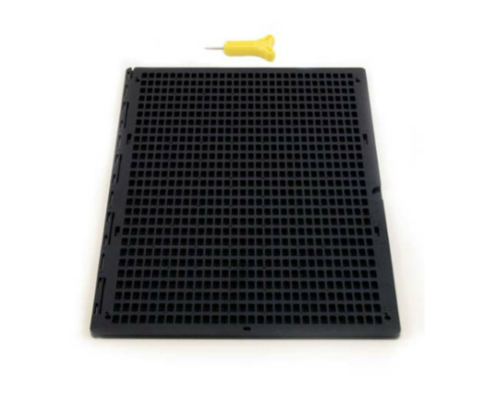
4 | Braille Typewriter | 20 | Emboss raised dots onto the paper, creating Braille characters. Six-Key Configuration sturdy and portable emboss 25 lines with 42 cells accommodates standard-sized Braille paper, and it has a paper feed mechanism carriage lock Metal casing, closed body architecture Full right and left margin adjustments to accommodate any paper size and line centering. Round paper-feed knobs to enable easy paper loading and unloading. Metal carrying handle Includes user manual in both print and braille Includes leather dust cover Includes wooden eraser maintenance kit Braille Slate Compatibility Durable, resistant to effects of excessive humidity and high temperature, water splash proof and shock resistant.

 | Visually impaired
5 | Desktop CCTV Magnifiers | 40 | HD video magnifier High Definition Full HD Camera LCD display above 19 inches Magnification Range: Normal Range: 2.4X to 41X Extended Range: 2.4x – 73x Brightness adjustment Smooth continuous zoom Sharp, high contrast text display Adjustable Monitor with higher or lower, tilt forward or back, and swivel left or right functions Lockable X and Y axis Large intuitive button for easy navigation Minimum 2 year warranty | 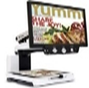
6 | Portable video magnifier | 100 | Lightweight handheld video magnifier Continuous zoom magnification from 4x – 22x customizable colour contrast settings At least 4 to 5 inch LCD display Adjustable screen brightness Large tactile controls Integrated & separate reading stands Fold out handle Near-distance view Continuous auto-focus camera Continuous digital zoom Large display digital clock rechargeable lithium battery Rechargeable Battery: Continuous working min. 4 hours Minimum 1 year warranty | 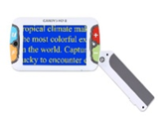
7 | Glasses with 2 magnifier lens | 20 | Magnifying head-mount glasses with LED lights, x20 magnification | 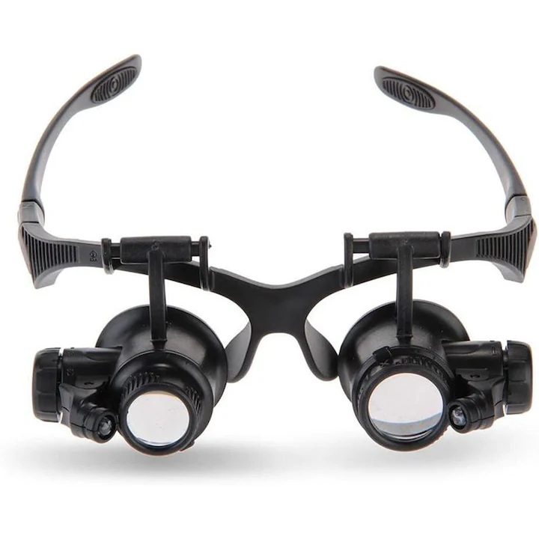
8 | Children keyboard with large keys | 50 | Large keys bigger than those on an average keyboard Clear and bright keys Children friendly font Upper case and lower-case letter keyboard options USB or wireless connectivity Colour coded keys for consonants, numbers, and function keys with QWERTY Spill proof Durable Key repeat on or off option Suitable for children aged 3 to 8 Sturdy Keyguard option available Minimum 2 year warranty | 23
9 | Wooden reading support | 10 | Wooden reading stand with tracking support used for reading by persons with vision impairments
10 | Portable OCR Reading Pen | 100 | Portable OCR Reading Pen Text to speech read aloud function Scan Font Size Range 6.5 – 22 pt Voice recorder Built in Dictionary, voice memo pocket-sized tool lightweight Micro-USB or USB-C port and 3.5mm headphone jack No internet connection required Storage available upto 5 GB Rechargeable battery Wireless Standalone No additional software required carrycase Scan Reading and voices available in multiple languages Minimum 1 year warranty | 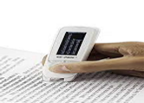
 | Hearing (severe deafness)
11 | Individual Assistive Listening System, kit | 45 | A kit consists of an individual Assistive Listening System for medium to severe hearing loss, based on hearing loop, or FM, or IR transmission technology, consisting of: - hearing aids for students (behind-the-ear form-factor preferred, stand-alone) - 1 pc - transmitter for the teacher - 1 pc - Table top microphone compatible wit receivers/hearing aids supplied - Hearing aid care kit - 1 pc Sturdy, user-friendly, wireless, with rechargeable batteries and chargers included | 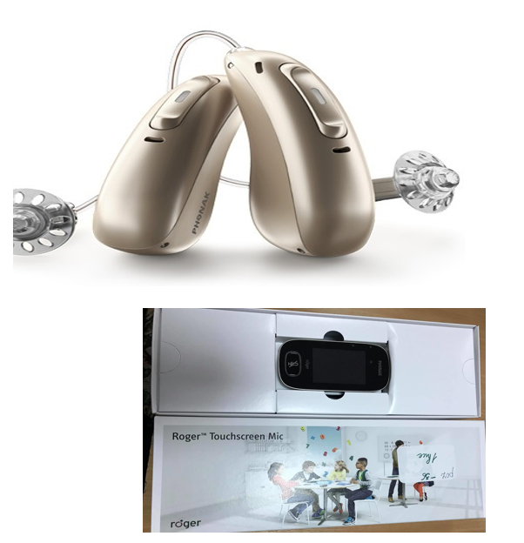 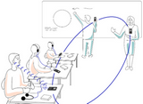

SCHEDULE NO 2 AND 3
 | AT | Q | Description/Specification | Generic picture
 | Hardware
1 | Laptop with mouse and bag | 57 | CPU: 64-bit; Min 2 Core 2.3GHz 4 threads; generation 2020 and later Screen: Diag. 15”-15.6”, resolution min Full HD, Anti-glare RAM: Min. 8GB DDR4 Min 256GB SSD Multimedia: Built-in speakers, webcam and microphone Bluetooth: Min. 4.2 Wireless Network: 802.11 ac, a/b/g/n/ Ports: Min. 3 USB ports (min. 1 USB port 3.x, min 1 x USB-C); HDMI; RJ-45; Memory Card-reader Weight: Max. 2.5kg OS (installed): Windows 10 (Home or Pro) installed and activated Bag: Generic laptop bag 15”-15.6” Mouse: Generic Wireless mouse Warranty and service: Min. 2-years. Year of production: 2022 or later
2 | AAC-enabled tablet device with a 10'' touchscreen + Software | 57 | Screen Size min 10" Capacitive touchscreen Robust and durable, includes a durable case with built-in tabletop stand at least 2GB RAM at least 64GB ROM Battery life of at least 6 hours Minimum 2 year warranty Pre-installed licensed Speech-generating software with Romanian and Russian output available Built-in or detachable loudspeaker with output at least 80 dB Weight max 1,2 kg | 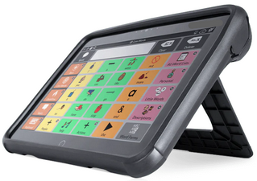
3 | Color multifunctional printer | 57 | MFD Printer Color LaserJet Print Technology: Color LaserJet Functionality: Copy/Print/Scan Copy/print speed: Min. 20 ppm – for single sided printing Paper Handling sizes: Letter, Legal, Executive, Folio, A4, A5, B6 Paper Handling: Duplex unit to provide two-side printing, scanning and copying capabilities Input paper handling: Duplex ADF with min. 30 sheets Capacity Paper capacity: 1 Tray 150 Sheets Resolution: Copy/Scan: 600x600 dpi, Print: 1200x1200 dpi Scanning features: File format: PDF, PDF/A, JPEG, TIFF etc Interfaces: USB, Ethernet, WiFi Warranty and service: Min. 2-years | 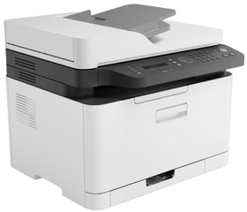
4 | Desktop medium/heavy duty use laminator | 57 | Hot / Cold desktop pouch laminator with rotary trimmer and corner rounder Warm-up time: no more than 4 - 6 minutes Width of laminating path: 330 mm (A3) Selection of different cutting styles Overheating protection switch-off Laminating speed: min 250 mm/minute LED indicators for Power and Ready Starter laminating sheets kit with at least 30 different size sheets included | 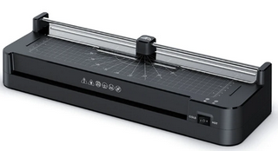
 | Software (for Windows)
5 | Brand-specific speech visualisation and analysis tool, iCSPEECH Standard Edition | 57 | iCSPEECH Standard Edition software license, for Windows OS
6 | Mind Mapping software | 57 | Mind mapping software is a digital tool that helps brainstorming and organizing ideas visually. It allows the users to create what's called a mind map, which is a diagram that radiates out from a central concept. Related ideas can branch out from that central concept with related ideas. Application shall include a library of pictures and be adapted for use by children and seniors.

7 | Portable OCR Reading Pen | 94 | Portable OCR Reading Pen Text to speech read aloud function Scan Font Size Range 6.5 – 22 pt Voice recorder Built in Dictionary, voice memo pocket-sized tool lightweight Micro-USB or USB-C port and 3.5mm headphone jack No internet connection required Storage available upto 5 GB Rechargeable battery Wireless Standalone No additional software required carrycase Scan Reading and voices available in multiple languages Minimum 1 year warranty | 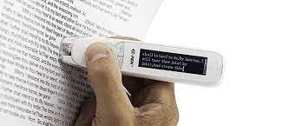
8 | Romanian/English Dictionary for OCR Reading Pen | 52 | A resource whith at least 600 widely used words, arranged thematically and with colourful illustrations, suitable for use with the supplied OCR Reading Pen, for ages 5-13 years. Language: Romanian/English
9 | Russian/English Dictionary for OCR Reading Pen | 5 | A resource whith at least 600 widely used words, arranged thematically and with colourful illustrations, suitable for use with the supplied OCR Reading Pen, for ages 5-13 years. Language: Russian/English | 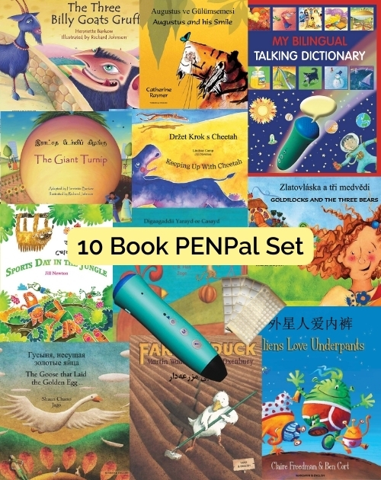
10 | Complete set of letters of the Romanian Alphabet and 100-120 words on magnetic support, for use with the supplied OCR Reading Pen | 52 | Set of letters and basic vocabulary words (~100-120) on magnetic support, suitable for use with the supplied OCR Reading Pen. Language: Romanian | 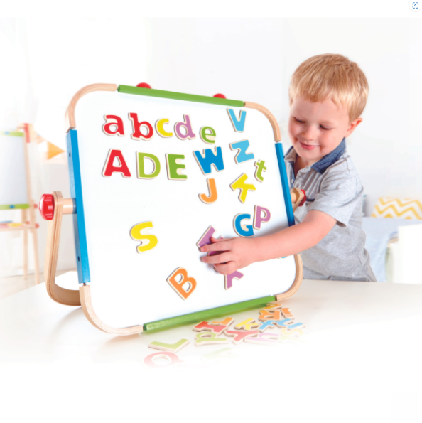
11 | Complete set of letters of the Russian Alphabet and 100-120 words on magnetic support, for use with the supplied OCR Reading Pen | 5 | Set of letters and basic vocabulary words (~100-120) on magnetic support, suitable for use with the supplied OCR Reading Pen. Language: Russian | 
12 | Coded stickers for use with the supplied OCR pen | 57 | Set of stickers 300-400 stickers with text/images that can be attached to surfaces such as books, notebooks or objects, containing codes that can be read by the supplied OCR pen to record or play sounds, music or verbal messages.
13 | Interactive Recordable Wall Chart with Pockets | 57 | Interactive board to be fixed to a vertical surface (wall, cabinet), with 20-30 transparent pockets where cards, objects or drawings can be placed. Each pocket has its own button which, when pressed, plays a short message that can be re-played, or re-recorded as often as required.
14 | Interactive Recordable Wall Panel with Slots | 57 | Wall or table top panel with 5-7 slots where images, photos or words can be placed. Each slot when pressed plays a short message that can be re-played, or re-recorded as often as required. Supports when learning structure, routine, sequence. Can be used in portrait or landscape mode. | 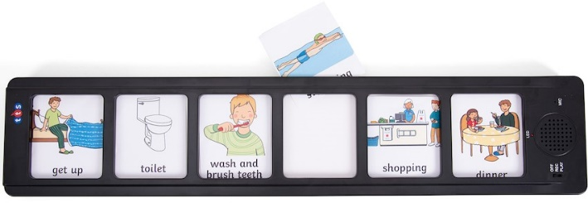
15 | Sentence/Words building kit | 57 | Set of ~100 tiles/cards with words and letters, suitable for use with the supplied OCR Reading Pen
16 | Early Maths learning tools | 57 | Hands-on manipulatives for teaching maths: a set of ~80 pieses shall contain math grid, numbers, fraction tiles or circles, pattern blocks, geometric shapes (spheres, cubes, cylinders, etc. algebra tiles (for older students), measurement tools (scale and clock or time).
17 | Whiteboard, magnetic, with accessories | 57 | Magnetic dry whiteboard, with eraser and set of 3-4 markers included, size ~20x30 cm
18 | Programmable multifunctional robot device | 57 | Programmable floor or table top robot for teaching control, directional language and programming, with built-in battery and charging station, similar to Bee-Bot
19 | Accessory mat for multifunctional robot | 57 | Accessory mat for supplied programmable robot activities, similar to Bee-Bot Countryside Mat
20 | Coloured overlays for dyslexia, set | 57 | Set of 28-32 tinted transparent thin sheets of coloured plastic that can be placed over white text to help people with dyslexia read. 7-8 colors, 4 sheets each
21 | Timer | 57 | Easy to set desktop digital timer designed to help children maintain focus with visual and audio signals, with clear easy to follow change of color as the time approaches the end of interval.
22 | Tactile sensory set for school children | 57 | Tactile Stimulation Kit containing a variety of attractive objects with different tactile features, textures, and geometric shapes, for use in various individual or small group games and educational activities. Shall include tactile toys with lights inside aimed to stimulate visual acuity, develop voluntary attention, visual memory, and observation skills, and tactile tiles to stimulate sensory perception in the feet soles.
23 | Voice and speech training headset with auditory feedback | 57 | A headset with a microphone that captures, enhances and amplifies the user's voice and delivers it to the user through headphones or bone conduction transducers, retraining the brain's auditory feedback loop. Bone conduction technology for transmitting sound vibrations directly to the inner ear through bone, bypassing the outer and middle ear. Auditory feedback loops that amplify and modulate the user's voice in real-time. Adjustable volume control to customize the intensity of auditory feedback. Lightweight and ergonomic design for comfort during extended use. Compatibility with various audio sources, including smartphones, tablets, and computers, via wired or wireless connectivity options. Rechargeable battery and usb charging cable included. Integrated microphone for voice recording and communication functionalities. User-friendly controls for easy operation and adjustment of settings. Durable construction with high-quality materials for reliability and longevity.
24 | Battery powered augmentative/alternative communication (AAC) speech-generating device with overlay | 57 | Communication device with grid for overlay Light weight and portable Minimum 16 message buttons Five recording levels Built-in overlay storage loud sound output An overlay of pictures (or words or symbols) Fast record and erase Built-in keyguard Digital volume control Built-in handle Overlay software solution Minimum 1 year warranty | 
25 | Sensory panel, with backlighting and colorful elements | 57 | Sensory board designed for use in sensory rooms, filled with colorful glass spheres, lights up when interacted with, providing a calming and relaxing effect. Other designs are accepted as well. Size up to 100x100 cm
26 | Applied Behavior Analysis (ABA) Kit | 57 | ABA is an a widely used approach to supporting autistic children by understanding and influencing their social behavior. The kit shall include cards for language and vocabulary building, cards for actions, common objects (at least 100), to help children develop communication, language, and social skills; should be suitable for work with children at beginner, intermediate, and advanced levels. | 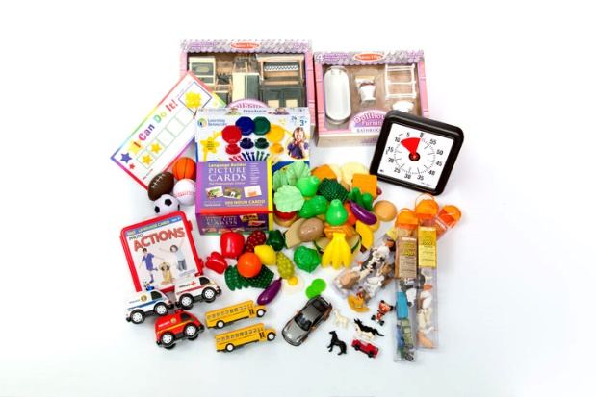
27 | Digital magnifier | 57 | Lightweight and easy-to-use hand held magnifier for reading from any flat surface. Connects to TV or to any screen or computer via Video-out or other interfaces via TV/USB converter. Zoom in/out digitally; For reading from any flat surface by zoom in, zoom out Includes connection cables and AC adaptor. | 
28 | Pencil grips sets | 57 | Small, temporary silicone/rubber attachments that fit on a pencil to help children and adults develop an accurate and functional grasp, set of 12 different grips, suitable for ages 5-16
 | AT for school 11 (MER request)
29 | Portable video magnifier | 2 | Lightweight handheld video magnifier Continuous zoom magnification from 2x – 22x customizable colour contrast settings At least 4 to 5 inch LCD display Adjustable screen brightness Large tactile controls Integrated & separate reading stands Fold out handle Near-distance view Continuous auto-focus camera Continuous digital zoom Large display digital clock rechargeable lithium battery Replacement batteries and Replacement chargers are available. Minimum 1 year warranty | 
30 | Smartphone | 5 | Screen Size of minimum 5.5 or more Touchscreen enabled 1.6 GHz octa-core processor Minimum Ram 3 GB or more 64GB hard disk Battery Life of atleast 8 hours and above Can support 4G/LTE Android version 13 or above (including Talkback screen reader) USB On-the-Go (USB OTG) iOS version 16 or above (including Voiceover screen reader), Main charger Carry case Minimum 2 year warranty Durable, resistant to effects of excessive humidity and high temperature, water splash proof and shock resistant.
31 | Laptop with bag and mouse | 3 | CPU: 64-bit; Min 2 Core 2.3GHz 4 threads; generation 2020 and later Screen: Diag. 15”-15.6”, resolution min Full HD, Anti-glare RAM: Min. 8GB DDR4 Min 256GB SSD Multimedia: Built-in speakers, webcam and microphone Bluetooth: Min. 4.2 Wireless Network: 802.11 ac, a/b/g/n/ Ports: Min. 3 USB ports (min. 1 USB port 3.x, min 1 x USB-C); HDMI; RJ-45; Memory Card-reader Weight: Max. 2.5kg OS (installed): Windows 10 (Home or Pro) installed and activated Bag: Generic laptop bag 15”-15.6” Mouse: Generic Wireless mouse Warranty and service: Min. 2-years. Year of production: 2022 or later
32 | Computer Keyboard | 1 | Wired Computer keyboard Interface type: USB Number of keys: 102
33 | Brand-specific screen reading software JAWS (Job Access With Speech) | 1 | Brand-specific JAWS screen reading software, non-commercial edition, one year subscription, for Windows OS
34 | Magnifying glasses | 2 | Magnifying head-mount glasses with LED lights, x20 magnification

