Sheet1
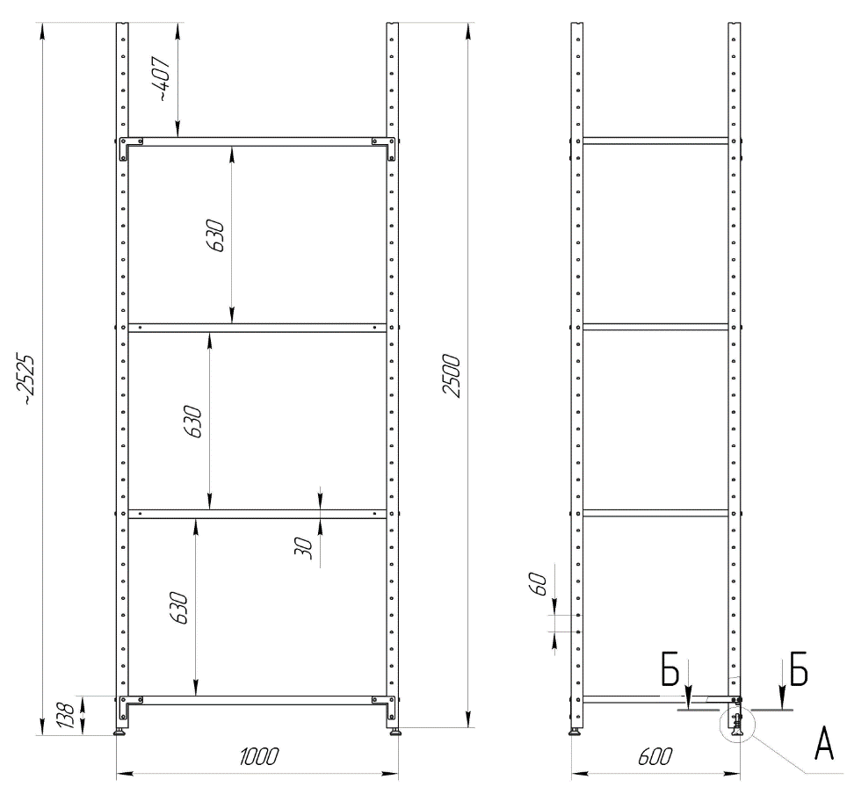
ITB 2021/EURO/MDA/0031 Vaccines warehouse furnishing and repair equipment
Annex 1. List of requirements and specifications English

LOT 1 Furnishing equipment
# | Item | Technical specification (requirements) | Unit | Quantity | Warranty, months
1 | Reinforced metal rack for warehouses, type 1 | Type: RMM 200 Rack width: 1,000 mm Rack depth: 600 mm Rack height: 2,500 mm Number of shelves: 5 Shelf load: up to 150 kg Rack material: galvanized steel Thrust bearings: metal or solid plastic Shelf fixation: perforated girder | pcs | 15
2 | Reinforced metal rack for warehouses, type 2 | Type: RMM 200 Rack width: 830 mm Rack depth: 600 mm Rack height: 2,500 mm Number of shelves: 5 Shelf load: up to 150 kg Rack material: galvanized steel Thrust bearings: metal or solid plastic Shelf fixation: perforated girder | pcs | 3
3 | Installation | Should be included into the price | hours

LOT 2 Repair equipment
# | Item | Technical specification (requirements) | Unit | Quantity | Warranty, months
1 | Electric trolley (roll) | Engine type: Brushless Traction motor power: min. 0.75 kW Lifting motor power: min. 0.5 kW Battery voltage: 48 V Battery capacity: 10 Ah Fork height: 85-200 mm Fork width: 550 mm Fork length: 1150 mm Wheels: Polyurethane Travel speed with load: 4 km / h Travel speed without load: 5 km / h Grade with / without load: 6/20% Brakes: electromagnetic Charger type: fast Charge Battery charging time: 2 hours Battery weight: 5 kg Weight: 122 kg Lifting weight 1500-1800 kg. | pcs | 2
2 | Rotary hammer | Depth -changing drill , side handle, quick-release chuck with jaws, carrying case Electronic speed control: yes Weight: 2.9 kg Power supply: mains Operating mode: drilling, percussion drilling, percussion Reverse: yes Maximum idle speed (rpm): 1200 Extra Maximum impact energy (J): 2.4 Drill type: SDS-Plus Power consumption (W): 800 Maximum diameter of hollow crown drilling (mm): 80 Maximum diameter of concrete drilling (mm): 26 Maximum diameter of metal drilling (mm): 13 Maximum diameter of wood drilling (mm): 32 Maximum impact frequency (bpm): 4600 | pcs | 2
3 | Hydraulic trolley | Load capacity: 2500 kg Minimum fork height: 85 mm Maximum fork height: 200 mm Fork width: 550 mm Fork length: 1150 mm Steering wheel size: 200x50 mm Fork wheels: 80x70 mm Wheel material: Polyurethane Hydraulic lifting mechanism: Yes | pcs | 2
4 | Aluminum ladder, double | Material: aluminum height: min 630cm- max 640 cm Number of steps: 28 Weight: min 17 kg rifled steps: yes With opening: yes With support: yes | pcs | 1
5 | Aluminum ladder, double | Material: aluminum height: min 430cm- max 460 cm Number of steps: 14 Weight: min 9 kg rifled steps: yes With opening: yes With support: yes | pcs | 2
6 | Aluminum ladder, double | Material: aluminum height: min 200cm- max 250 cm Number of steps: 7 Weight: min 5 kg rifled steps: yes With opening: yes With support: yes | pcs | 1
7 | Angle grinder | Grinder type: angle Power supply type: mains Disc diameter: 120 mm Power: min 840 W Vibration: 7.5 m / s2 Idle speed: 11000 rpm Noise level: 97 dB Power cord length: 2.1 - 2.5 m | pcs | 1
8 | Screwdriver set | Number of items: 100, Ratchet screwdriver : 23 screwdrivers: Flat with Slots: SL3 x 75, SL4 x 100, SL5.5 x 75, SL5.5 x 100, SL6.5 x 100, SL6.5 x 150, SL8 x 150 mm. Cross: PI10 x 75, PH1 x 75, PH1 x 100, PH1 x 150, PH2 x 100, PH2 x 150 mm. Cross Pozidriv: PZO x 75, PZ1 x 75, PZ2 x 100 mm TORX stea: TIO x 75, T20 x 75, T25 x 100, T30 x 100 mm. Square size: S0 x 75, SI x 75, S2 x 100 mm; 8 precision screwdrivers: Flat slots: SL2. 5 x 50, SL3 x 50 mm Cross: PH00 x 50, PH0 x 50 mm TORX star: T6 x 50, T7 x 50, T8 x 50, TIO x 50 mm Final attachments 1/4 ": 6, 7, 8, 9, 10, 11 mm; 2 double-sided screwdrivers: 5mm-PH1, 6rnm-PH2; 60-bit screwdriver (bits) 25 mm length: Flat slots: SL3, SL3.5, SL4, SL4.5, SL5, SL5. 5, SL6, SL6.5, SL7 | pcs | 1
9 | Set of bits and tubular keys | Shock heads lu: 6, 7, 8, 10, 11, 13 mm Bits: PZ1, PZ2, PZ3, PH1, PH2, PH3, T10, T15, T20, T25, T30, T40, Hex4, Hex5, FIex6 Ratchet: da Adapter: da Magnetic support: da Caz: yes | pcs | 1
10 | Set of double keys (rojcovie): | Set of 12 double fixed keys: 6x7 mm, 8x9 mm, 10x11 mm, 12x13 mm, 14x 15 mm, 16x17 mm, 18x19 mm, 20x22 mm, 21x23 mm, 24x27, mm, 25x28 mm, 30x32 mm | pcs | 1
11 | Pressure washer | Current type (V / Hz): 230/50 Pressure (bar / MPa) 20-Max. 180/2-Max.18 Transported flow (1 / h): max. 600 Engine power (kW): 3 Connecting cable (m): 5 Weight: max. 16 kg. | pcs | 2
12 | Chancellery knife | metal handle; knife length: 180mm; spare set (min 10 reserves): yes push mechanism: yes. | pcs | 5

 | Picture. Reinforced metal rack

